Savings
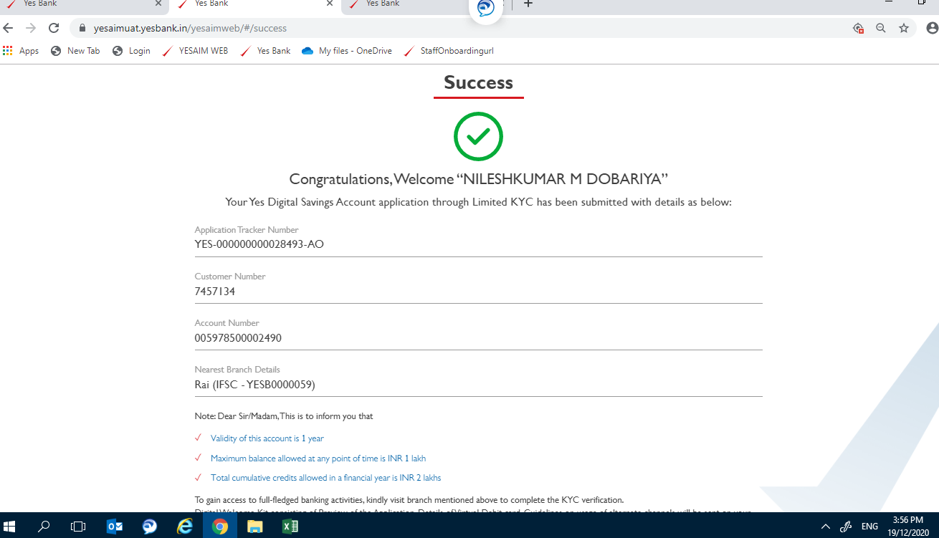
YES FIRST

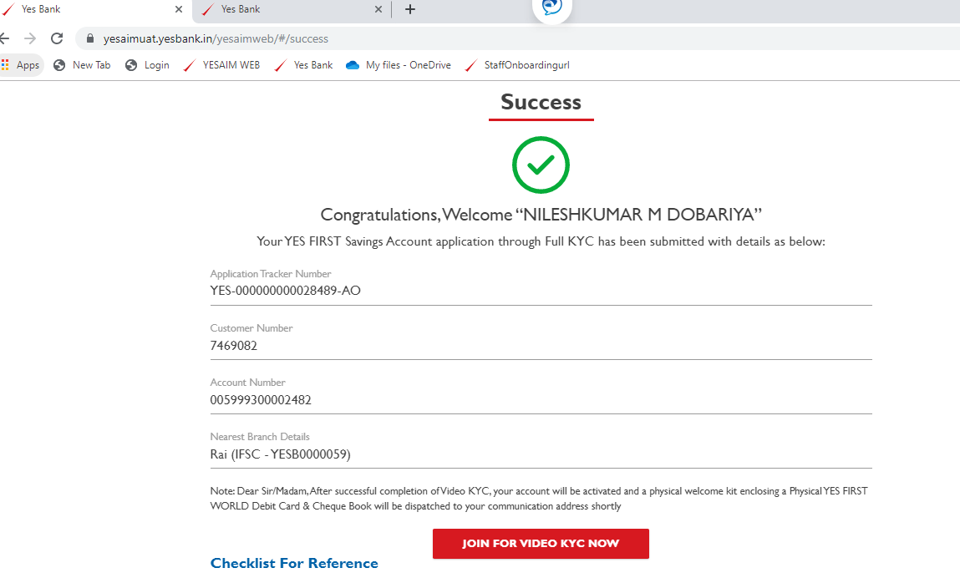

YES PREMIA

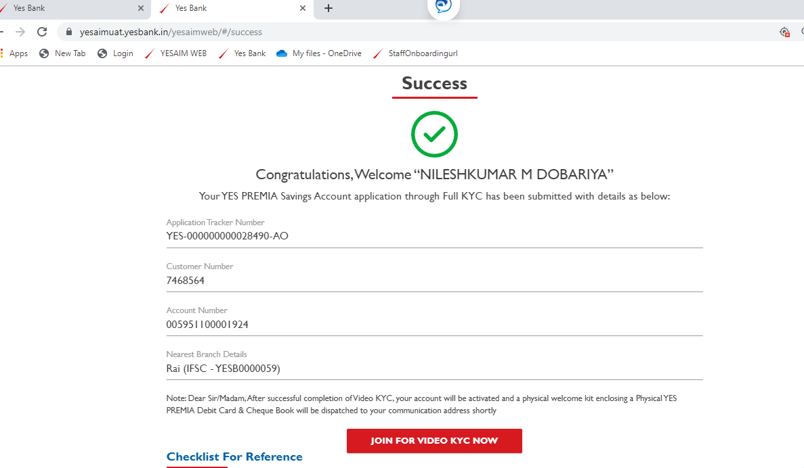

YES PROSPRITY
PRO

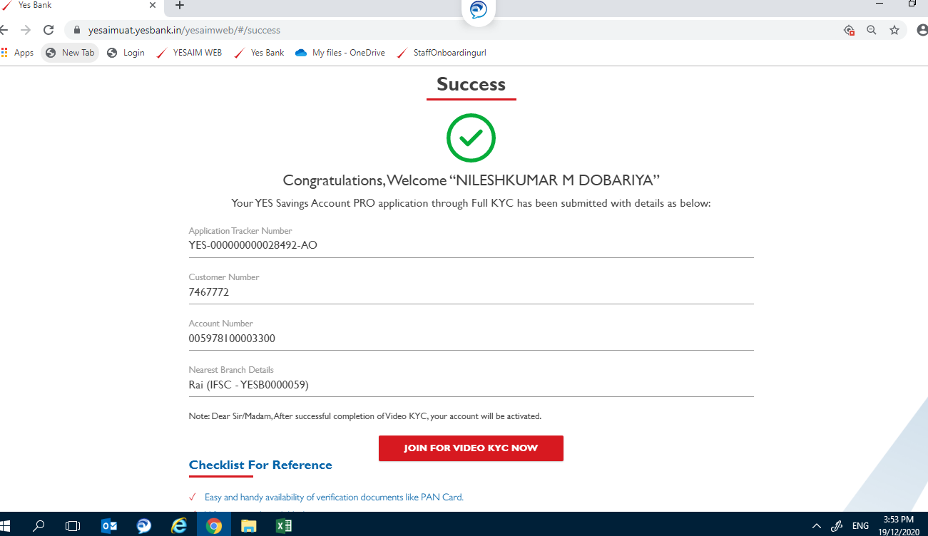

Limited KYC

PRO MAX | Your YES Savings Account PRO MAX through Full KYC has been opened with details as below:
PRO PLUS | Your YES Savings Account PRO PLUS through Full KYC has been opened with details as below:

Limited KYC

Salary
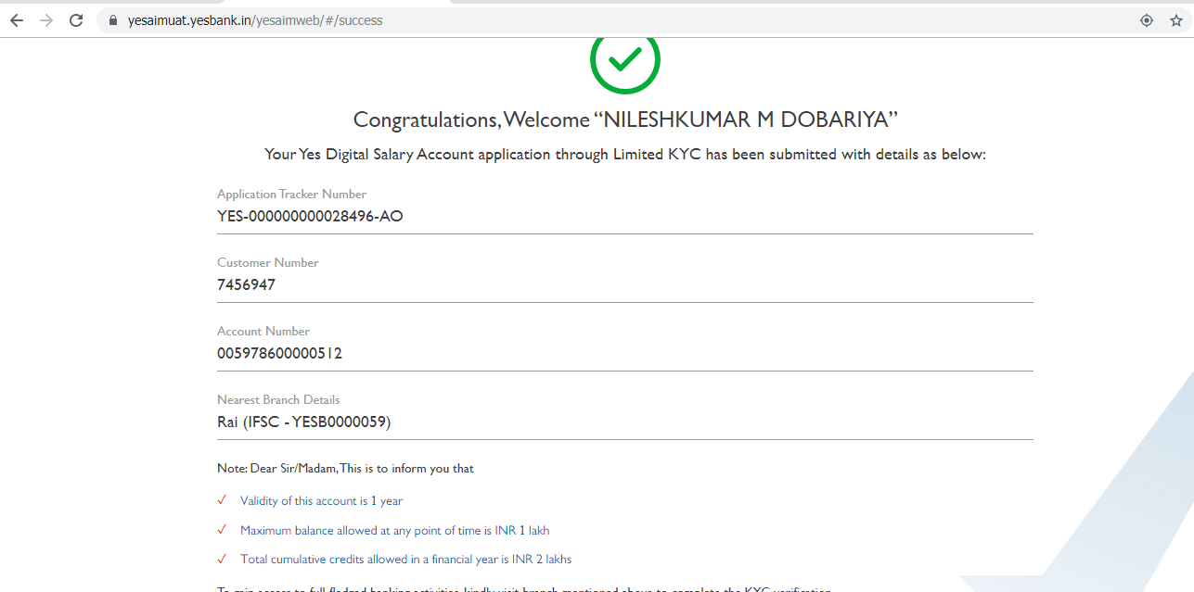
Exclusive, Platinum, Digital

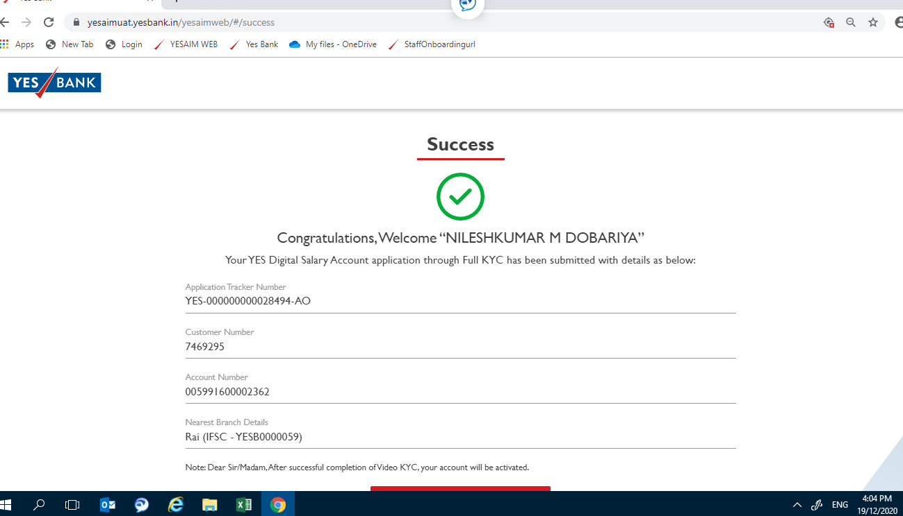

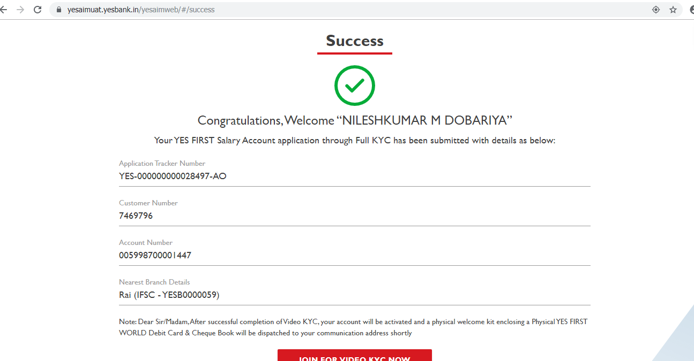
YES FIRST SALARY
Inscript I Pvt Ltd

YES PREMIA | : | Your YES PREMIA Salary Account through Full KYC has been opened with details as below:

 | Digital
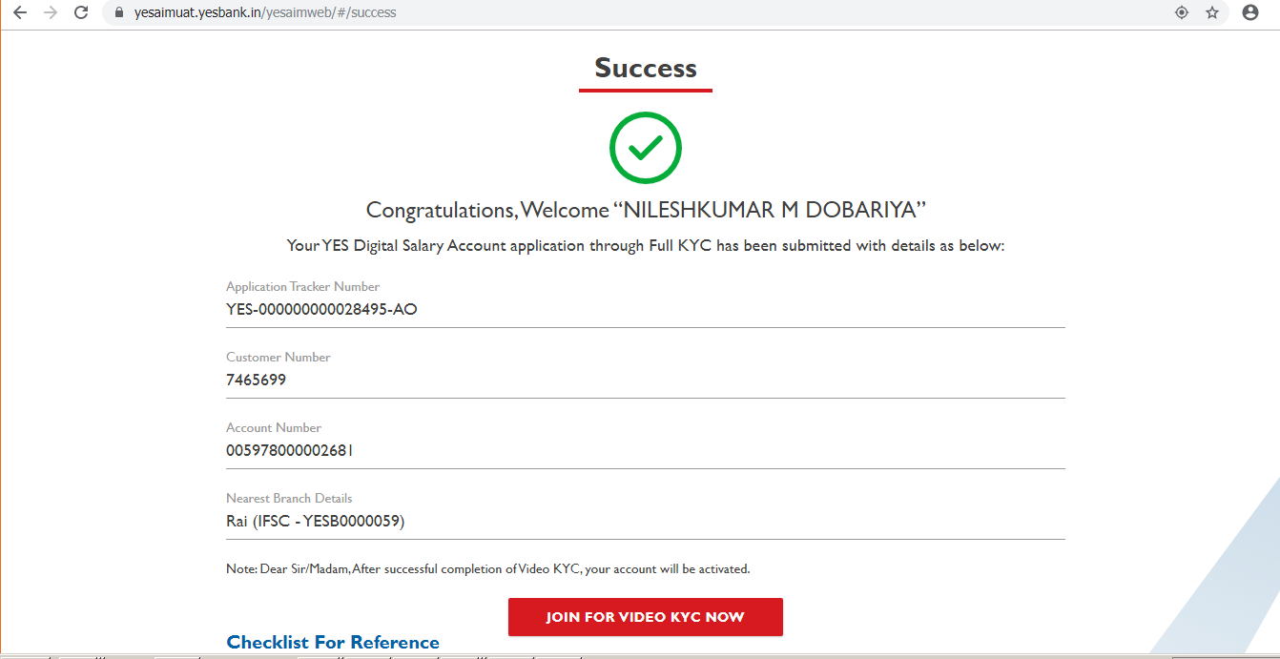

Limited salary

